Sheet1
 | Models chosen for fashion mnist: | Epochs | Batch Size | Activation function for each layer: | Dropout rate per layer: | Hidden layer 1 | Hidden Layer 2 | Hidden Layer 3 | Output layer | Activation function for outputlayer | Final validation Accuracy: | Final validationLoss: | Any sign of overfitting? | Model test evaluation:
 | Inverted triangle | 100 | 32 | Relu | 0.5 | 300 | 200 | 100 | 10 | Softmax | 0.8912 | 0.3728 | Yes | 0.8866
 | Rectangular | 100 | 32 | Relu | 0.5 | 200 | 200 | 200 | 10 | Softmax | 0.8866 | 0.3533 | No | 0.8698
 | Hexagon | 100 | 32 | Relu | 0.5 | 175 | 250 | 175 | 10 | Softmax | 0.8834 | 0.3559 | No | 0.8759

Reasoning (Hypothesis): |  | Final Graphs |  |  | Analysis:
Allows for improvement of weights and a filter such that it improves the input information | Inverted triangle | 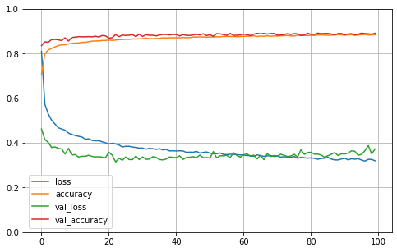 |  |  | Shows good performance with validation data and test data evaluation. But based on the graph, it seems that if trained with longer epochs, it could lead to overfitting as the training loss decreases but the validation loss keeps on increasing. This can easily avoided by implementation of early stopping and the model could be further improved by including k cross validation when training.
Allows for balanced weight changes since each hidden layer has equal number of nodes | Rectangular | 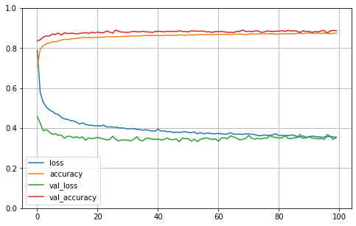 |  |  | Shows good performance in final validation accuracy and model test accuracy. But still underperforms when compared to the upside down cone model. The model also showed stronger ability to avoid overfitting while reducing the validation loss. Unfortunately, that ability is not displayed in the test accuracy and the rectangular model underperforms compared to the Upside down cone model.
Allows for the combination of properties from the upside down cone and the rectangular models | Hexagon | 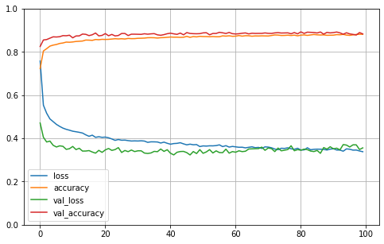 |  |  | Model performance was good. It managed to outperform the validation loss of the upside down cone and at the same time out perform the test accuracy of the rectangular model. It also showed no overfitting issues based on the graph.

 |  |  |  |  | Conclusion:
 |  |  |  |  | While the Upside Down Cone model performed the best on the test evaluation, it has high risk of overfitting on the training set. This is because putting dropout after a relu activaiton function leads to higher probability of more nodes becoming zero and not functional in the overall model. So is possible that the model will not generalize well to unknown data. For the rectangular model, while it did not show overfitting, due to the equal nodes in every hidden layer it did not provide enough flexibility to increase the accuracy of the model. The Hexagon model proved that it combined both positive characteristics from the Upside down cone model and the Rectangular model. Hexagon model managed to achieve no overfitting, good loss value on validation data and great accuracy on the test evaluation. Hence, the hypothesis for the Hexagon model was correct.

